Customer
X1A0T
Customer

Performance against target | FY22 target |  | FY22 performance |  | Progress to target
Internal Dispute Resolution complaints resolved in 30 days1,2,3 | Maintain proportion year-on-year |  | 99.7% |  | Achieved target

Customer advocacy |  | FY22 | FY21 | FY20 | FY19 | FY18
Net Promoter Score
AAMI4 |  | +6.0 | +3.8 | +1.7 | +1.4 | +3.1
Suncorp Bank MFI5 |  | +13.7 | +14.6 | +5.8 | +5.1 | +14.4
New Zealand6 |  | 41 | 52 | Results using previous methodology can be viewed in previous reports

Complaints and dispute resolution7,8 |  | FY22 | FY21 | FY20 | FY19 | FY18
Customer complaints
Change in customer complaints from prior year (Banking Australia) | (%) | 64 | Results using previous methodology can be viewed in previous reports
Change in customer complaints from prior year (Insurance Australia)2 | (%) | 141
Change in customer complaints from prior year (New Zealand)9 | (%) | -6
Internal Dispute Resolution (Frontline) complaints Quick resolve1,2,10 | (%) | 75 | Commenced disclosure in the current reporting period
Internal Dispute Resolution (Frontline) complaints resolved in 5 days1,2 | (%) | 95 | Results using previous methodology can be viewed in previous reports
Internal Dispute Resolution complaints resolved in 30 days1,2,3 | (%) | 99.7
Average days to resolve escalated Internal Dispute Resolution complaints1,2,11 |  | 21.3 | Commenced disclosure in the current reporting period
Complaints referred by customers to external dispute resolution bodies
AFCA complaints received (Banking Australia) |  | 404 | Results using previous methodology can be viewed in previous reports
AFCA complaints received (Insurance Australia)2 |  | 4,116
New Zealand9 |  | 28 | 28 | 14 | 21 | 20
Proportion determined in the customer's favour
Australia12 | (%) | 23 | 22 | 22 | 13 | -
New Zealand9 | (%) | 4 | 4 | 0 | 14 | -
AFCA Sent on time results
Banking Australia13 | (%) | 99 | Results using previous methodology can be viewed in previous reports
Insurance Australia13 | (%) | 95 | 98 | 97 | - | -
Complaints referred by customers to the Privacy Commissioner1 |  | 4 | 0 | 7 | 15 | 12

Financial inclusion and resilience |  | FY22 | FY21 | FY20 | FY19 | FY18
Customers assisted during times of financial hardship1 |  | 38,640 | 65,955 | 117,329 | 4,257 | 3,812
Customers referred to CareRing for specialised external support14 |  | 487 | 472 | - | - | -
Essentials Insurance customers |  | 5,391 | 5,829 | 5,389 | 3,464 | 1,855
Customers supported through a bank and/or insurance vulnerability/specialist hub1 |  | 2,743 | Commenced disclosure in the current reporting period

1. Excludes New Zealand
2. Excludes personal injury complaints
3. FY22 figure subject to independent assurance by KPMG. Please refer to the assurance opinion included in the Sustainable Business section of our website
4. DBM Consumer Atlas. Measured as at June each FY on a 6-month rolling average amongst consumer insurance customers. Net Promoter ScoreSM is a trademark of Bain & Co Inc., Satmetrix Systems, Inc., and Mr Frederick Reichheld
5. DBM Consumer Atlas. Measured as at June each FY on a 6-month rolling average amongst retail banking MFI customers. Net Promoter ScoreSM is a trademark of Bain & Co Inc., Satmetrix Systems, Inc., and Mr Frederick Reichheld
6. Methodology measures across General Insurance Claims
7. Complaint reporting measures have been updated to reflect revised regulatory obligations. Notwithstanding the regulatory timeframes, Suncorp is committed to resolving customers' issues as efficiently and effectively as possible
8. Wealth figures excluded
9. Excludes AA Insurance
10. Quick resolve refers to percentage of complaints that were resolved on the first call by Frontline
11. Complaints managed by Internal Customer Relations team
12. From complaints closed at decision in AFCA Benchmarking (July-21 to June-22)
13. From Proportion progressed to case management - no Financial Firm response received in AFCA Benchmarking (July-21 to June-22)
14. Suncorp has a referral partnership with CareRing run by Uniting. Via the partnership we are able to offer specialist support to our most vulnerable customers

People
X2A0T
People

Performance against target | FY22 target |  | FY22 performance |  | Progress to target
Women in leadership1 | 50% |  | 54% |  | Achieved target
Women in senior leadership1 | 48% by FY23 |  | 46% |  | On track
Women on the Board1 | 40% |  | 30% |  | Below target
Lost-time injury frequency rate1 | At or below Finance Industry Group Average2 |  | 0.7 |  | Achieved target
Code of Conduct training completion rate1 | 98% annually |  | 99% |  | Achieved target

Employees |  | FY22 | FY21 | FY20 | FY19 | FY18
Full-time equivalent (FTE) employees |  | 14,149 | 13,505 | 13,562 | 13,040 | 13,309
Total employee headcount |  | 14,589 | 14,125 | 14,069 | 13,440 | 13,815
Full-time headcount |  | 10,772 | 10,662 | 10,518 | 10,375 | 10,663
Part-time headcount |  | 2,508 | 2,806 | 2,522 | 2,440 | 2,524
Casual headcount |  | 63 | 48 | 43 | 29 | 41
Maximum-term contractor headcount |  | 1,246 | 608 | 986 | 596 | 587
Employees covered by collective bargaining agreements3 | (%) | 99.6 | 99.6 | 99.6 | 99.6 | 99.6

Safety and wellbeing |  | FY22 | FY21 | FY20 | FY19 | FY18
Employee engagement4 |  | 8.3 | 8.0 | Results using previous methodology can be viewed in previous reports
Employee-initiated turnover | (%) | 21.2 | 15.5 | 12.6 | 14.2 | 14.4
Absenteeism rate5 |  | 8.2 | 7.0 | 7.2 | 7.5 | 7.6
Lost-time injury frequency rate1 |  | 0.7 | 1.0 | 1.2 | 1.3 | 0.9
Fatalities6 |  | 0 | 0 | 0 | 0 | 0

Code of Conduct |  | FY22 | FY21 | FY20 | FY19 | FY18
Code of Conduct breaches7 |  | 209 | 216 | 239 | - | -

Whistleblower reporting |  | FY22 | FY21 | FY20 | FY19 | FY18
Total number of reports to the Suncorp Whistleblower Service8 |  | 22 | Commenced disclosure in the current reporting period
Total number of disclosures under the Whistleblower Policy9 |  | 13

Diversity and inclusion |  | FY22 | FY21 | FY20 | FY19 | FY18
Women on the Board1 | (%) | 30 | 33 | 40 | 50 | 38
Women in senior leadership roles1 | (%) | 46 | 43 | 44 | 47 | 44
Women in leadership roles1 | (%) | 54 | 52 | 51 | 51 | 51
Return to work from parental leave | (%) | 96 | 96 | 98 | 96 | 96
Women | (%) | 94 | 94 | 97 | 94 | -
Men | (%) | 98 | 99 | 99 | 100 | -
Employees that identify as having a disability10 | (%) | 1.6 | - | 2.8 | 2.7 | -
Employees aged 55 years or over | (%) | 12.5 | 12.5 | 11.9 | 11.4 | 11.1
Employees that identify as Aboriginal and Torres Strait Islander10 | (%) | 1.8 | 1.3 | 1.2 | 1.1 | -

Learning and development |  | FY22 | FY21 | FY20 | FY19 | FY18
Code of Conduct training completion rate1 | (%) | 99 | 99 | 99 | 99 | 99
Formal learning and development | ($/FTE) | 1,588 | 1,681 | 1,616 | 1,663 | 1,947

Talent attraction and retention |  | FY22 | FY21 | FY20 | FY19 | FY18
High performer retention | (%) | 90 | 92 | 93 | 92 | -

1. FY22 figure subject to independent assurance by KPMG. Please refer to the assurance opinion included in the Sustainable Business section of our website
2. Based on a combined average of industry peers using latest available published data
3. Excludes New Zealand
4. Employee engagement is measured by Workday Peakon Employee Voice, a product of Workday, an independent company and a separate entity to Suncorp, and is scored out of 10.0
5. Unplanned absence days for permanent employees/average headcount
6. Work-related fatalities excluding external contractors
7. That resulted in formal consequences
8. The total number of reports to the Suncorp Whistleblower Service includes reports which were either: (a) assessed as Disclosures under the Whistleblower Policy and investigated; (b) assessed as not meeting the criteria of Reportable Conduct within the Whistleblower Policy and redirected to other channels if appropriate, including Personal Work-Related Grievances; (c) not able to be progressed due to insufficient information provided; or (d) in triage at the time of the data extract
9. A Disclosure is a report to the Suncorp Whistleblower Service which the Whistleblower Protection Officer determines will be managed under the Whistleblower Policy on the basis that, amongst other things, the allegations contained in the report are considered by the Whistleblower Protection Officer to constitute Reportable Conduct
10. Data is provided on a voluntary basis and uptake varies across diversity groups

Community
X3A0T
Community

Performance against target | FY22 target |  | FY22 performance |  | Progress to target
Total community investment as a percentage of pre-tax profit1 | 0.7% by FY22 |  | 1.2% |  | Achieved target

Community investment |  | FY22 | FY21 | FY20 | FY19 | FY18
Total community investment1 | ($000) | 9,873 | 9,003 | 10,317 | 9,160 | 10,109
Total matched giving2 | ($000) | 847 | 840 | 1,018 | 703 | -
Volunteering3 | ($000) | 161 | 186 | 692 | 838 | 701
 | (hours) | 2,209 | 2,626 | 11,526 | 16,536 | 13,840

1. FY22 figure subject to independent assurance by KPMG. Please refer to the assurance opinion included in the Sustainable Business section of our website
2. Includes matching for donations, fundraising, crowdfunding and personal volunteering
3. Reduced participation in volunteering activities in FY21 & FY22 is due to the continued and ongoing impacts of the COVID-19 pandemic. Based on paid employee volunteer time

Environment
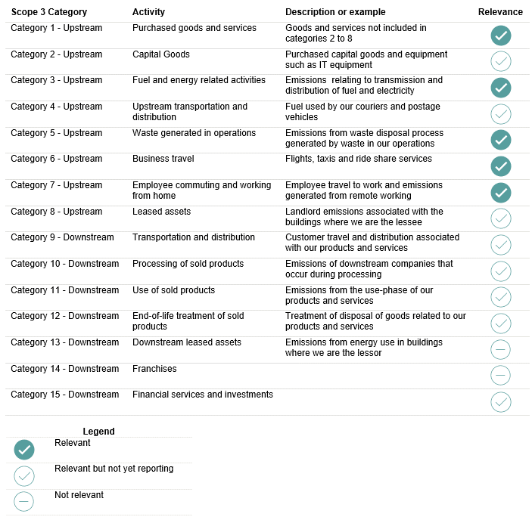
X4A0T
Environment

Performance against target | FY22 target |  | FY22 performance |  | Progress to target
Scope 1 and Scope 2 greenhouse gas (GHG) emissions | 51% absolute reduction by 20301 |  | 76% |  | Achieved target
 | Net-zero emissions by 20501 |  |  |  | On track

Environmental metric performance 2,3,4 |  | FY22 | FY21 | FY20 | FY19 | FY18
Scope 1 & 2 location-based emissions5 | (tCO2-e) | 16,598 | 20,897 | 23,640 | 25,077 | 27,332
Scope 1 & 2 market-based emissions5 | (tCO2-e) | 6,642 | 18,610 | 23,640 | 25,077 | 27,332
Scope1 & 2 market-based year on year emissions reduction | (%) | 64 | 21 | 6 | 8 | -
Scope 1 & 2 / FTE (market-based) | (tCO2-e/FTE) | 0.47 | 1.37 | 1.78 | 1.92 | 2.05
Total Scope 1, 2 & 3 / FTE (market-based) | (tCO2-e/FTE) | 1.09 | 1.73 | 2.46 | 2.81 | 3.07
Group electricity consumption (Australia and New Zealand)
Renewable Energy Performance RE100 progress to 20256 | (%) | 66 | 18 | 0 | 0 | 0
Renewable6 | (MWh) | 13,194 | 4,333 | 27 | 0 | 0
Total consumption | (MWh) | 20,087 | 24,637 | 30,733 | 38,905 | 41,100
Fuel used in fleet vehicles
Australia | (L/FTE) | 38 | 51 | 61 | 81 | 98
New Zealand | (L/FTE) | 69 | 112 | 140 | 183 | 238
Other fuels and gas
Australia | (GJ/FTE) | 1 | 2 | 2 | 3 | 3
New Zealand | (GJ/FTE) | 2 | 4 | 5 | 6 | 8
Group air travel
Australia | (km/FTE) | 503 | 355 | 1,591 | 1,953 | 2,228
New Zealand | (km/FTE) | 330 | 965 | 1,332 | 2,027 | 3,038
Proportion of office waste diverted from landfill
Landfill waste (Australia) | (tonnes) | 148 | 166 | 357 | 430 | 427
Recycled waste diverted from landfill (Australia) | (tonnes) | 212 | 193 | 289 | 405 | 441
 | (%) | 595 | 54 | 45 | 49 | 51

Controlled operations greenhouse gas (GHG) emissions5,7,8 |  | FY22 | FY21 | FY20 | FY19 | FY18
Scope 1 greenhouse gas emissions4
Australia | (tCO2-e) | 1,287 | 1,517 | 1,774 | 2,272 | 2,811
New Zealand | (tCO2-e) | 212 | 308 | 363 | 467 | 566
Suncorp Insurance Ventures3 | (tCO2-e) |  |  | 1,181 | 3,864 | 3,800
Total Scope 1 (Australia and New Zealand)5,8 | (tCO2-e) | 1,499 | 1,826 | 2,137 | 2,739 | 3,377
Scope 2 greenhouse gas emissions (location-based)
Australia | (tCO2-e) | 15,010 | 18,975 | 21,398 | 22,205 | 23,741
New Zealand | (tCO2-e) | 88 | 96 | 105 | 133 | 214
Suncorp Insurance Ventures3 | (tCO2-e) |  |  | 2,974 | 9,006 | 9,181
Total Scope 2 location-based (Australia and New Zealand)5,8 | (tCO2-e) | 15,099 | 19,071 | 21,503 | 22,338 | 23,955
Scope 2 greenhouse gas emissions (market-based)9
Australia | (tCO2-e) | 5,140 | 16,783 | - | - | -
New Zealand | (tCO2-e) | 3 | 1 | - | - | -
Total Scope 2 market-based (Australia and New Zealand)5,8 | (tCO2-e) | 5,143 | 16,784 | - | - | -
Scope 3 greenhouse gas emissions
Australia | (tCO2-e) | 8,663 | 4,591 | 8,643 | 11,057 | 12,962
New Zealand | (tCO2-e) | 151 | 296 | 337 | 551 | 568
Total Scope 3 (Australia and New Zealand)5,8 | (tCO2-e) | 8,813 | 4,887 | 8,980 | 11,607 | 13,530

Measured controlled operations Scope 3 including indirect Scope 3 emissions |  | FY22 | FY21 | FY20 | FY19 | FY18
Category 1 - upstream - Purchased goods and services - paper | (tCO2-e) | 446 | 717 | 431 | 516 | 665
Category 3 - upstream - Fuel and energy related activities | (tCO2-e) | 2,065 | 2,701 | 2,981 | 3,325 | 3,874
Category 5 - upstream - Waste generated in operations | (tCO2-e) | 193 | 216 | 428 | 516 | 579
Category 6 - upstream - Business travel - including flights | (tCO2-e) | 1,664 | 1,253 | 5,141 | 7,250 | 8,412
Category 7 - upstream - Employee commuting & WFH10 | (tCO2-e) | 4,445 | Commenced disclosure in the current reporting period
Total | (tCO2-e) | 8,813 | 4,887 | 8,980 | 11,607 | 13,530

1. Emission reduction from a FY2018 baseline
2. Environmental metrics are prepared on a 10+2 basis applying the GHG protocol accounting standard and relevant methodologies. FY21 metrics restated to 12 month actuals
3. Scope 1 & 2 Group (AUS & NZ) emissions exclude previously reported Suncorp Insurance Ventures (SIV) due to the divestment of Capital Smart and ACM Parts in early FY20. From FY20 Home Repair (previously part of SIV) is combined with Australia data
4. Scope 1 GHG emissions from FY18-FY22 have been restated due to a methodology change in Suncorp Vehicle Fleet emissions to account for business use only
5. FY22 figure subject to independent assurance by KPMG. Please refer to the assurance opinion included in the Sustainable Business section of our website
6. 50% of Australia's electricity has been purchased through Diamond Energy in the form of LGCs directly linked to the Valdora Sunshine Coast Solar Farm. 12% is GreenPower. 2% is generated onsite via rooftop solar. 97% of New Zealand's electricity is purchased via a renewable energy certificated via Meridian Energy
7. Suncorp Group's controlled emissions related to Scope 1, 2 and 3 GHG emissions associated with the Group's operations and does not include downstream products and services categorised as Financed emissions
8. Total GHG emissions exclude SIV to accurately represent emissions reduction performance excluding emissions relating to the divestment of SIV as per footnote 3
9. Market-based methodology for Scope 2 emissions commenced in FY21 to accurately account for Suncorp's renewable energy purchases. Methodology as described in the FY22 Sustainability reporting supplement tab.
10. Expanded Scope 3 reporting includes Working from Home and Employee Commuting GHG emissions in FY22

GHG Scopes Definitions
Scope 1 emissions are associated with direct use of fuel and gas in our operations, the majority of which is our corporate vehicle fleet
Scope 2 location-based emissions is the emissions intensity of grid electricity purchased and consumed through our operations
Scope 2 market-based emissions accounts for renewable electricity we purchase and generate
Scope 3 indirect emissions relate to activities within our value chain such as procurement of goods and services, business travel and waste activities directly related to our business operations

Scope 3 reporting coverage
Relevant GHG Protocol Scope 3 categories with full coverage include fuel and energy related activities and waste generated in operations. Other relevant categories are either partially reported or being measured in FY23.

Value chain
X5A0T
Value chain

Performance against target | FY22 target |  | FY22 performance |  | Progress to target
Funds invested in social and low carbon impact investments1,2 | 5% of total shareholders' funds |  | 6% |  | Achieved target

Suppliers3,4 |  | FY22 | FY21 | FY20 | FY19 | FY18
Total spend with suppliers (includes claims)5 | ($m) | 3,629 | 3,428 | 3,690 | 3,537 | 3,681
Spend with material suppliers (includes claims)5,6 | ($m) | 3,128 | 2,951 | 3,149 | 2,975 | 3,062
Number of material suppliers |  | 682 | 652 | 734 | 745 | 760
Number of contracted suppliers7 |  | 1,273 | 1,407 | 1,387 | 1,348 | 1,530
Acceptance of Supplier Code of Practice
New suppliers onboarded | (%) | 99 | 100 | 98 | 100 | -
Material suppliers | (%) | 100 | 100 | 100 | 100 | -

Responsible investment |  | FY22 | FY21 | FY20 | FY19 | FY18
Responsible Investment Policy coverage | (% total AUM) | 98 | 98 | 91 | 90 | 87
Compliance with Responsible Investment Policy exclusions8 | (# excluded positions held) | 0 | 0 | 0 | 0 | 2
 | ($m excluded positions held) | 0 | 0 | 0 | 0 | 1
Assets managed by UNPRI signatories | (% total AUM) | 99 | 99 | 99 | 97 | 89
Social impact investment2 | ($m) | 3 | 3 | 2 | 1 | 1
Low carbon investment1,2 | ($m) | 378 | 321 | 236 | 310 | 36
Social and low carbon impact investments2 | % of total shareholders' funds | 6 | 6.6 | 6.7 | - | -
Proxies voted | (%) | 99.3 | 99.5 | 99.4 | 99 | -

1. Based on Global Investor Coalition definition
2. FY22 figure subject to independent assurance by KPMG. Please refer to the assurance opinion included in the Sustainable Business section of our website
3. Excludes New Zealand
4. Excludes Joint Ventures
5. Excludes taxes, fees, levies, reinsurance, debt recovery and government regulated services
6. Strategic suppliers with spend >$500K in the reporting period
7. Where Suncorp holds a current, duly executed contract
8. Compliance on the Exclusions List is monitored by NAS (Custodian) on a daily basis. NAS confirmed there were no reportable breaches relating to ESG restrictions for FY22

Purchased carbon offsets
X7A0T
Purchased carbon offsets

In FY22, Suncorp Bank purchased and retired carbon offsets to support its claim against the Climate Active Carbon Neutral Standard. The table below lists all carbon offset purchases and retirements in FY22. For more information on Suncorp’s approach to carbon offsets, please visit the Suncorp Group Website.

Project name | Project type | Offset standard | Location | Vintage | Amount carried forward from previous year (tCO2e) | Quantity purchased in FY22 (tCO2e) | Quantity retired in FY22 (tCO2e) | Balance at 30 June 2022 (tCO2e) | Date of retirement (Date: Quantity (tCO2e)) | Retirement purpose
Kaleno Native Forest Project | Human-Induced Regeneration (Nature-based carbon removal) | Australian Carbon Credit Unit (ACCU) | Cobar, NSW, Australia | 2021-22 | 0 | 6,184 | 6,184 | 0 | 26/05/2022: 6,184 | Retired by Terra Carbon Pty Ltd on behalf of Suncorp-Metway Limited to offset emissions generated in FY22.
Darling River Eco Corridor | Human-Induced Regeneration (Nature-based carbon removal) | ACCU | Bourke, NSW, Australia | 2021-22 | 0 | 4,932 | 4,932 | 0 | 1. 26/05/2022: 3,617 2. 15/06/2022: 1,315 | Retired by Terra Carbon Pty Ltd on behalf of Suncorp-Metway Limited to offset emissions generated in FY22.
Darling River Conservation Initiative (Site #6 - Emaroo) | Human-Induced Regeneration (Nature-based carbon removal) | ACCU | Bourke, NSW, Australia | 2021-22 | 0 | 3,833 | 3,833 | 0 | 26/05/2022: 3,833 | Retired by Terra Carbon Pty Ltd on behalf of Suncorp-Metway Limited to offset emissions generated in FY22.
Darling River Conservation Initiative (Site #8 - Everdale) | Human-Induced Regeneration (Nature-based carbon removal) | ACCU | Bourke, NSW, Australia | 2021-22 | 0 | 3,038 | 3,038 | 0 | 26/05/2022: 3,038 | Retired by Terra Carbon Pty Ltd on behalf of Suncorp-Metway Limited to offset emissions generated in FY22.
 |  |  |  |  | Total: 0 | Total: 17,987 | Total: 17,987 | Total: 0

Sustainability reporting supp
X7A0T
X6A0T
X6A0T
Sustainability reporting supplement FY22

The following document outlines parameters used in Suncorp Group’s sustainability and climate-related disclosures. It forms the basis for resulting Limited Assurance provided by KPMG.

Metric | Definition / Scope | Boundary | Methods / Key metrics | Coverage | Standard / Methodology | Data Source | Limitations | Notes
Greenhouse gas emissions | Suncorp currently measures Group greenhouse gas (GHG) emissions associated with our controlled operations. Financed emissions are not currently being reported but in measurement is underway in FY23. | GHG emissions are measured across the reporting financial year for Suncorp Australia and Suncorp New Zealand. | Absolute Scope 1, Scope 2 location-based, Scope 2 market-based and Scope 3 GHG emissions in tCO2-e. | 100% of Scope 1 and Scope 2. Partial coverage for Scope 3 with a view for 100% coverage in FY23 where methodology and data allows. | Scope 1: GHG Protocol Corporate Standard (https://ghgprotocol.org/sites/default/files/standards/ghg-protocol-revised.pdf) Scope 2 location-based: uses National Greenhouse Gas Accounts (NGA) Factors which are revised each year (https://www.dcceew.gov.au/climate-change/publications/national-greenhouse-accounts-factors) and the GHG Protocol Scope 2 Guidance (https://ghgprotocol.org/sites/default/files/Scope2_ExecSum_Final.pdf) Scope 2 market-based: applies the state NGA factor to the non-renewable electricity. Scope 3: GHG Protocol Corporate Value Chain (Scope 3) Accounting and Reporting Standard (https://ghgprotocol.org/sites/default/files/standards/Corporate-Value-Chain-Accounting-Reporing-Standard_041613_2.pdf) | Stationary and Transport fuels (KL) Electricity (MWh) Waste generated in operations (t) Business Flights (km travelled) Purchased Paper (kg) Fuel and energy related activities (KL) Working from home (FTE, kWh, GJ, occupancy) Employee commuting (FTE, occupancy) | Measuring our Scope 3 Financed emissions and setting a baseline will be a priority for the Group over the coming year, where data and methodologies allow. To help in the setting of a global emissions accounting methodology for underwriting, Suncorp Group has joined the Partnership of Carbon Accounting Financials (PCAF). Over the coming year, we will contribute to the public consultation on PCAF’s technical guidance for the accounting and reporting of financed emissions for underwriting.
Low carbon investments | Low carbon investments are low carbon solutions and low carbon assets which includes green bonds, renewable energy infrastructure, renewable energy bond and equity securities and energy efficient real estate. | Green Bonds are a bond instrument where the proceeds will be exclusively applied to finance or re-finance eligible Green Projects, which are aligned with the core components (use of proceeds, process for project evaluation and selection, management of proceeds and reporting) of the Green Bond Principles. Other low-carbon assets includes renewable energy infrastructure, renewable energy credit and equity securities, and energy efficient real estate. | Market value (AU$ million) as at 30 June 2022. | Investments within Suncorp Australia's Investments portfolio. | Suncorp calculates its exposure to low carbon assets based on the Global Investor Coalition definition. These include green bonds, renewable energy infrastructure and energy efficient real estate. Analysis was supported by third party data. | Custodian data (NAS) NABERS Rating and GHG data of the underlying properties (DEXUS) as at 31 Dec 2021 | Portfolio exposure in Suncorp New Zealand's investments portfolio currently not included.
Funds invested in social and low-carbon impact investments as a percentage of total shareholders’ funds | Social impact investments include those which generate measurable social benefits in addition to financial returns. Low carbon investments include Green Buildings, Renewable Energy, Energy Efficiency, Waste and Pollution Control (relating to carbon emissions), Ultra Low Emission Vehicles and Sustainable Forestry. | Reporting period: July 1- June 30 FY22 Actual data (as measured by assets exposure) | Social impact investments Low carbon investments including green bonds, energy efficient properties and renewable energy infrastructure investments Total shareholders’ funds | N/A | N/A | Custodian data (NAS) NABERS Rating and GHG data of the underlying properties (DEXUS) | N/A | Based on Global Investor Coalition definition. Actual data (assets exposure) used for the calculation.
Carbon intensity performance of investments | Carbon intensity performance of investments is measured in association with ESG research firm Sustainalytics and measured on CO2 emissions relative to total revenue in $million USD (for the portfolio & benchmark). | Australian and International Equities. Australian Corporate Bonds including Technical Reserves and Shareholder Investment Assets. | tCO2e / US$ million revenue | Given data and methodology limitations, we currently report on 37% of the portfolio. | Carbon intensity performance for Australian and international equities are based on the carbon intensity data for the respective investment portfolios. Carbon intensity performance for Australian corporate bonds are based on the weighted carbon intensity data of the Australian corporate bonds values in Tech Reserves and Shareholders portfolios as at 30 June 2022. | Suncorp’s fixed interest and equity portfolio exposures are provided to Sustainalytics who calculate a carbon intensity for each of our Australian and Global investments. Analysis was supported by third party data including the Sustainalytics carbon Portfolio Reports as at 31 March 2022. | We are at varied stages across the portfolio of measurement approach and accuracy. As data and methodologies become more readily available, we will expand the boundary to measure more of our investment portfolio.
Sensitive Sector Progress - Fossil Fuel Phase out (Insurance Underwriting) | Phase out exposure to thermal coal extraction and electricity generation companies by 2025. Phase out exposure to oil and gas exploration and production companies by 2025. | Inclusions: Commercial Insurance portfolios per Suncorp’s Fossil Fuel Standard. For Insurance Australia, ‘principally’ is defined as where more than 10% of the company’s revenue is derived from the extraction of thermal coal. Exemptions: Companies whose business is clearly consistent with the transition to a net-zero carbon emissions economy by 2050. Insurance to personal insurance customers and small-to-medium businesses, statutory or compulsory insurance (e.g. workers’ compensation and compulsory third-party insurance). | Progress in phasing out of direct underwriting of companies principally involved in thermal coal extraction and electricity generation by 2025 as a measure of General Insurance % of Gross Written Premium (GWP). Progress in phasing out of direct underwriting of oil and gas exploration and production by 2025 as a measure of General Insurance % of GWP. | Suncorp Australia and Suncorp New Zealand underwriting portfolios. | Exposure is measured as total GWP in respect of Fossil Fuel risks. Classification is based on Suncorp "Sensitive Sector Standard: Fossil Fuels". | ESG COGNOS Report, List of Fossil Fuel companies Underwriting Information, company websites, disclosure statements and other publicly available information were used to confirm classification of risks. | Whilst Sensitive Sector Standards are embedded in underwriting process, collation of a central list of Sensitive Sector exposures is currently an adhoc process. This is being reviewed with a view to automate the process and embed the central exposure list in existing business processes.
Sensitive Sector Progress - Fossil Fuel Phase out (Investments) | Phase out exposure to thermal coal extraction and electricity generation companies by 2025. Phase out exposure to oil and gas exploration and production companies: - immediately excluding the top 10% by kg CO2-e barrel of oil equivalent (from FY21) - the top 25% by 2025 - the top 50% by 2030 - phase out by 2040. | Inclusions: Australian share and global share portfolios, all domestic and global fixed income portfolios. Exemptions: Companies whose business is clearly consistent with the transition to a net-zero carbon emissions economy by 2050. Exposures via pooled investment vehicles where Suncorp is not the Responsible Entity. | Fossil fuel exposure is managed through an active Investment exclusions list (for the period of 1 July 2021 to 30 June 2022). The data is reviewed annually based on most recent emissions data. For thermal coal, entities that are classified as coal mining and additional key coal power generation stocks are excluded. For progress in oil and gas, the key metric is based on a company's absolute Scope 1 and Scope 2 emissions (the unit of measurement is metric tonne of CO2). Top emitters are then ranked by their total (Scope 1 & 2) emissions against the total emissions of all oil and gas exploration and production companies. The data is produced by an external data provider. | Investments within Australia's Investments portfolio. | Investments’ FY22 progress report is based on exposures to top GHG emitters in Suncorp’s exclusions list which is reviewed annually. For thermal coal, all stocks classified as coal mining as well as key coal generation stocks are excluded, additionally a threshold of greater than 30% revenue from coal extraction & generation was introduced in May 2022. | Analysis was supported by third party data including the Sustainalytics carbon database at March 2022. | Scope 1 and 2 emissions are currently used as this ensures reliability and availability across entities in the Suncorp benchmarks. As data becomes available and methodologies improve we will expand our capability to measure and track progress across all Scopes. Over the coming year, we will review our metrics in line with our commitment to phase out our exposure to oil and gas (exploration and production) by 2040.
Sensitive Sector Progress - Fossil Fuel Phase out (Banking) | Phase out of lending to thermal coal extraction and electricity generation activities by 2025. Phase out of lending to oil and gas exploration and production activities by 2025. | Exemptions: Lending to retail customers and small-to-medium businesses, deposit products, transactional Treasury products (same-day FX). Companies whose business is clearly consistent with the transition to a net-zero carbon emissions economy by 2050. | Suncorp Bank has no exposure to thermal coal extraction; thermal coal electricity generation or oil and gas exploration and production. | Suncorp Bank - all portfolios. | Suncorp Bank’s FY22 screen for sensitive sectors is based on exposures to ANZSIC industry codes specifically listed in Suncorp’s Sensitive Sector guideline. | Portfolio exposure across all Business Banking lending exposure as at April 2022 was considered. | Portfolio exposure across all retail portfolios, foreign deposit accounts and other funding sources (including Business Banking customer deposits and Treasury debt investors) have not been considered.
Internal Dispute Resolution (IDR) complaints resolved in 30 days | Number of IDR Complaints closed in less than or equal to 30 calendar days for the year divided by the total number of IDR Complaints closed for the year. Considers date of receipt as Day 1. | 12-month data (actual) Reporting period: July 1- June 30 FY22 | Internal Dispute Resolution (IDR) complaints | Excludes New Zealand, personal injury complaints and wealth figures. | N/A | N/A | N/A | N/A
Women on the Board | The headcount of female members on the Board, expressed as a percentage. | Reporting period: as at 30 June 2022 | N/A | Excludes joint ventures | N/A | N/A | N/A | N/A
Women in senior leadership | The headcount of female senior leaders (Business and Strategic Leaders) plus female senior leaders on extended absence, divided by the headcount of all senior leaders plus senior leaders on extended absence, expressed as a percentage. | Reporting period: as at 30 June 2022 | Employee headcount | Excludes joint ventures | N/A | N/A | N/A | An employee is considered to be on Extended Absence when the duration of leave is greater than 14 consecutive calendar days (depending on leave type).
Women in leadership | The headcount of female leaders (First Line, Business and Strategic Leaders) plus female leaders on extended absence, divided by the headcount of all leaders plus leaders on extended absence, expressed as a percentage. | Reporting period: as at 30 June 2022 | Employee headcount | Excludes joint ventures | N/A | N/A | N/A | An employee is considered to be on Extended Absence when the duration of leave is greater than 14 consecutive calendar days (depending on leave type).
Lost-time injury frequency rate | The number of Lost Time Injuries per million hours worked for the reporting period resulting in one or more days away from work (not counting the day of injury itself). | 12-month data (actual) Reporting period: July 1 - June 30 FY22 | Absenteeism rate Lost time injuries Full-time equivalent (FTE) | All employees (excluding contractors) | N/A | N/A | N/A | ‘Lost Time Injuries’ must also meet the following criteria: the injury is work-related; a workers’ compensation claim has been made (excludes recess and journey claims); and liability is either accepted or pending. ‘Million hours worked’ is calculated based on a formula rather than actual hours worked, and considers: FTE, 7.5hr workdays, # of Brisbane workdays in the reporting period, annual and personal (Absenteeism Rate) leave assumptions.
Code of Conduct training completion rate | Percentage of employees who have a current or initial completion in the last 12 months on the Code of Conduct Module. | Reporting period: July 1- June 30 FY22 when viewing data at June 30 | Module Completions Initial Module Completions Expired Completions | All employees (including contractors) | N/A | N/A | N/A | Code of Conduct is a single module.
Percentage of pre-tax profit invested in the community | Total community investment spend as a percentage of pre-tax profit (cash, time & management costs, verified by B4SI). | 12-month data (actual) Reporting period: July 1- June 30 FY22 | Total community investment Profit before tax | N/A | N/A | B4SI (Business for Societal Impact) | N/A | A cash contribution is the gross monetary amount a company pays in support of a community organisation/ project. A time contribution is the cost to the company of the paid working hours contributed by employees to a community organisation or activity. The term ‘volunteering’ is often used to describe time contributions, but it can go beyond this to include any active engagement in community activity during paid working time. Management costs: Include the salaries, benefits and other overheads of community affairs staff along with research/ communications spend if used to help the community engage with the company.

B4SI
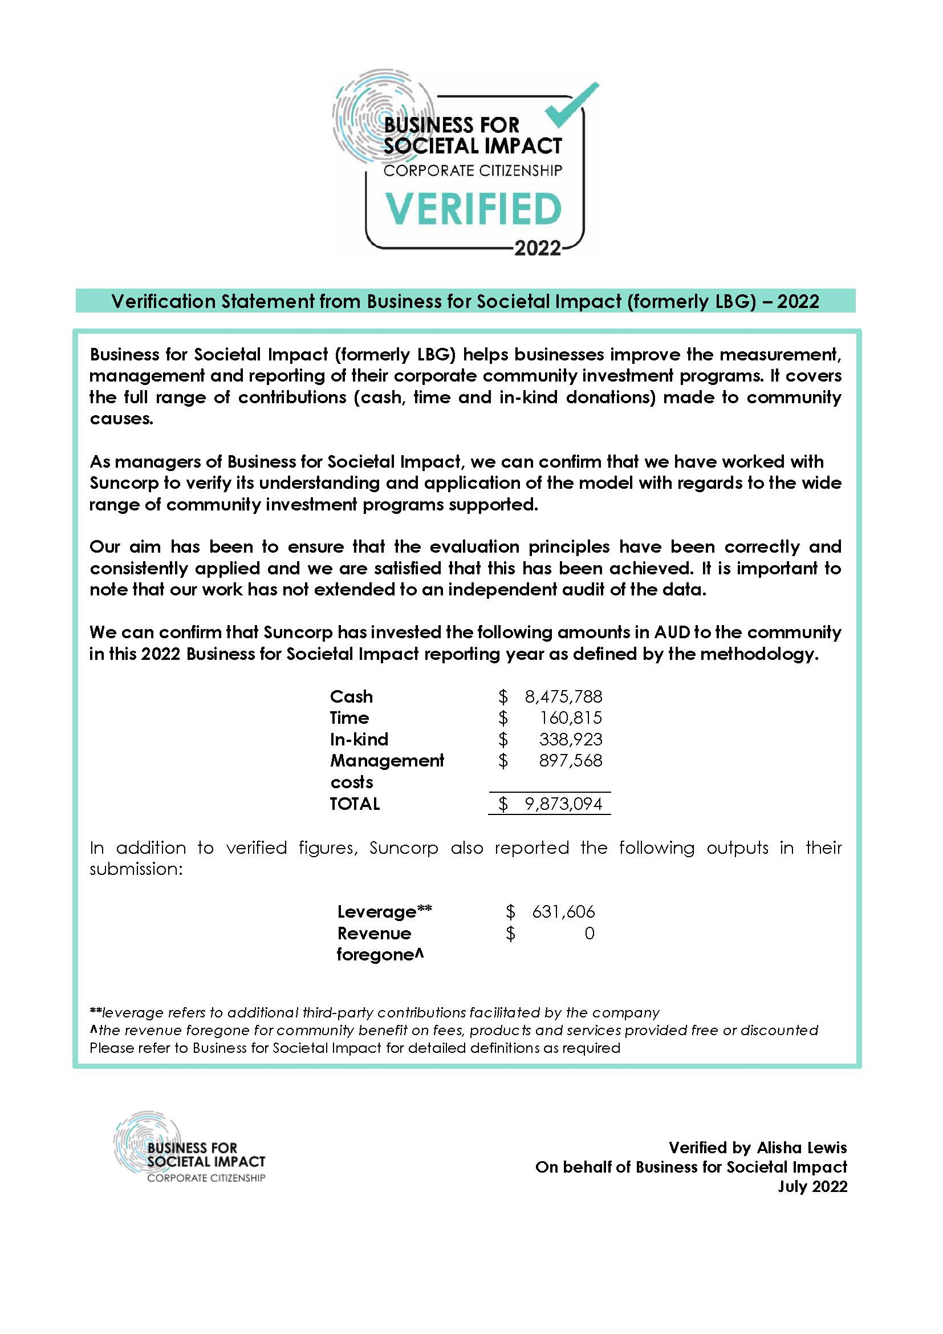
X8A0T
Business for Societal Impact

